GibbsCAM ROI
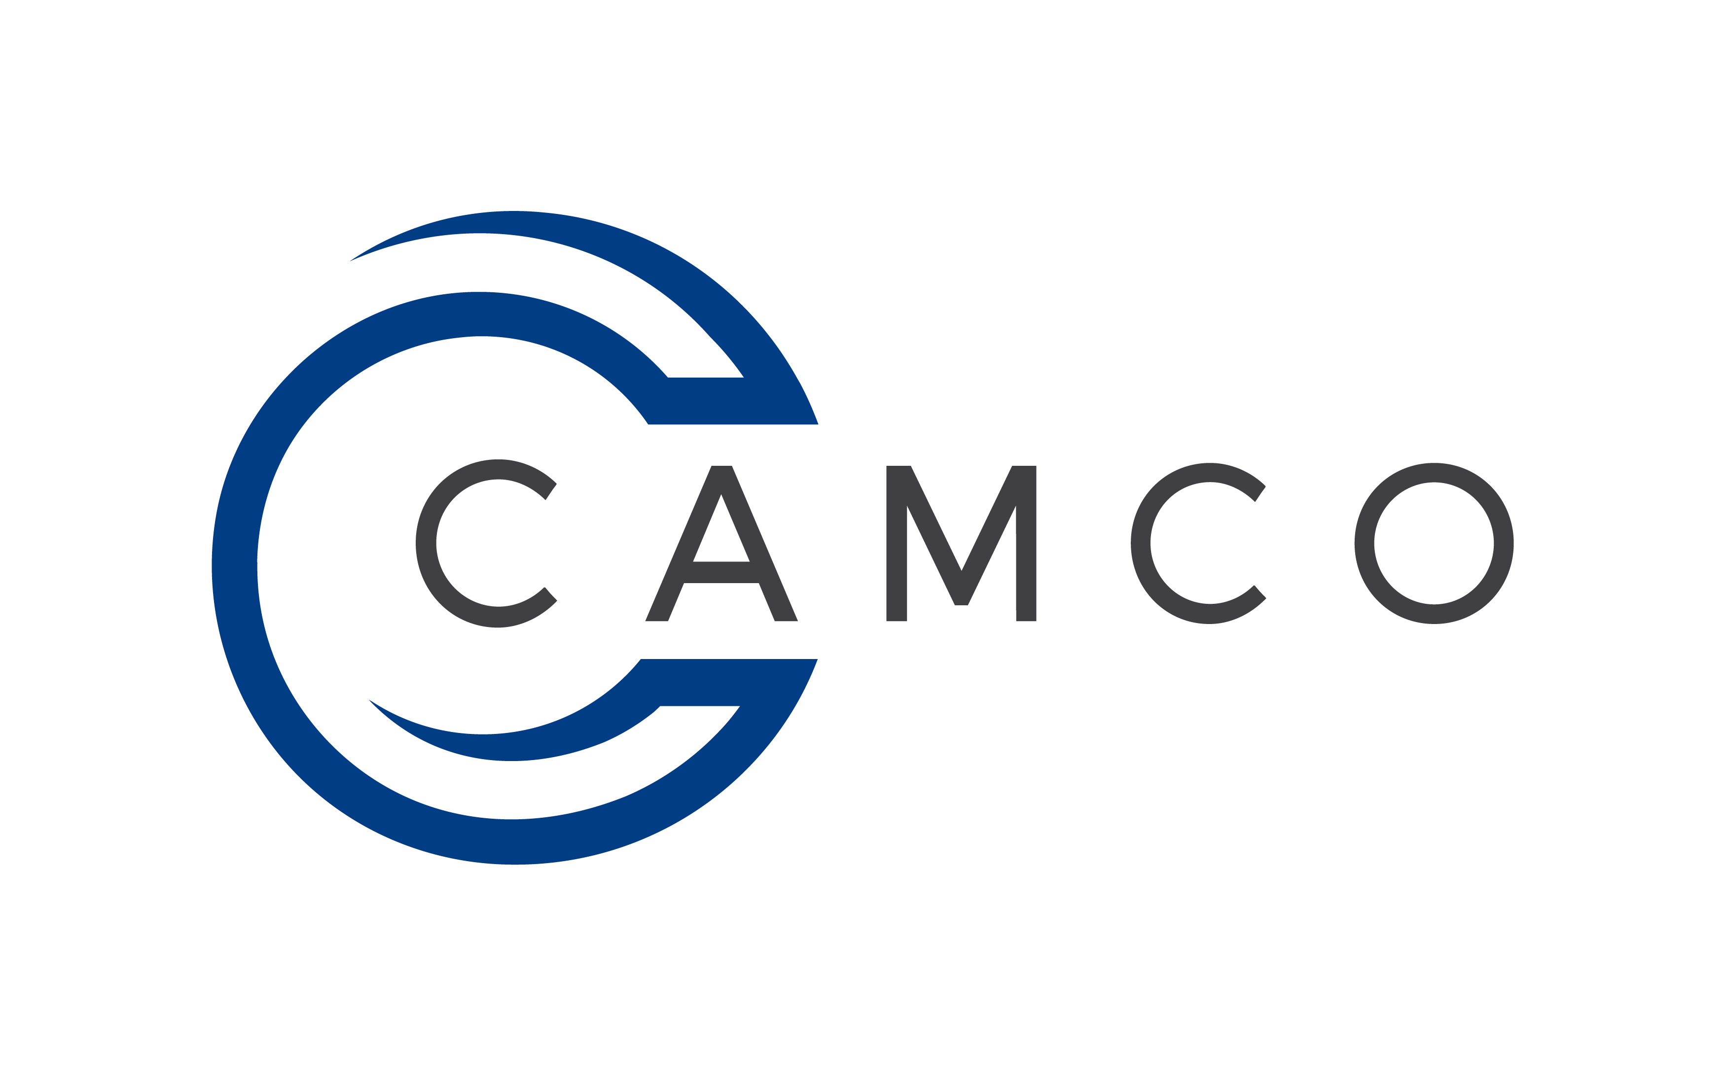 GibbsCAM Training - Return On Investment Worksheet

 | Training Tuition and Manual |  | $1,295 | in dollars

 | Approximate labor Cost |  | $30.00 | in hourly wage

 | Number of Programmers/Users |  | 1 | number of people

 | Labor and Overhead Cost |  | $4,800 | monthly dollars

 | Training Time (no. of training days) |  | 3

 | Productivity Loss (during training) |  | 100% | percent

 | Productivity Gain (after training) |  | 5% | percent

 | 1Year Gain/Loss |  | 43%

 | First Year Return-On-Investment |  | $2,880

Itemized Listing
 | Total Services Costs |  | $1,295
 | Total Cash Investment |  | $1,295
 | Productivity Loss (during training) as Costs |  | $720
 | Total Productivity Investment |  | $720
 | Productivity Gain, First 12 Months |  | $2,880
 | Total Productivity Gain |  | $2,880
 | 12 month ROI |  | 42.93%

 | Yearly Productivity Gain |  | $2,880

Break Even Analysis
 |  | Cost | Return
 | Month 1......................................................................... | $2,015 | $240
 | Month 2...................................................................... | $0 | $240
 | Month 3.................................................................... | $0 | $240
 | Month 4.................................................................... | $0 | $240
 | Month 5.................................................................... | $0 | $240
 | Month 6..................................................................... | $0 | $240
 | Month 7...................................................................... | $0 | $240
 | Month 8....................................................................... | $0 | $240
 | Month 9........................................................................ | $0 | $240 | Payback | 9 Months
 | Month 10..................................................................... | $0 | $240
 | Month 11........................................................................ | $0 | $240
 | Month 12..................................................................... | $0 | $240

 | TOTALS: | $2,015 | $2,880

